Vechile History
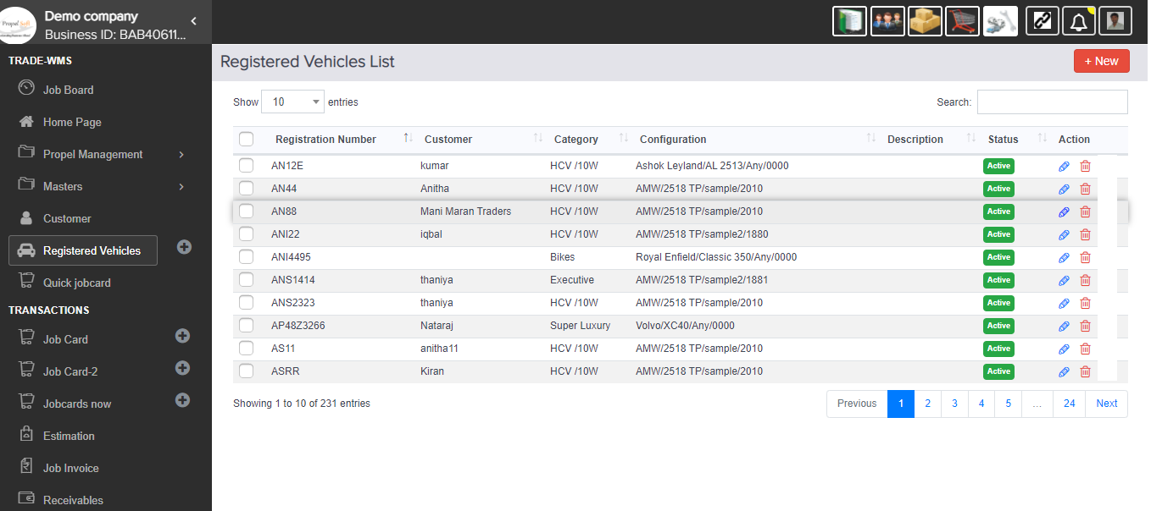
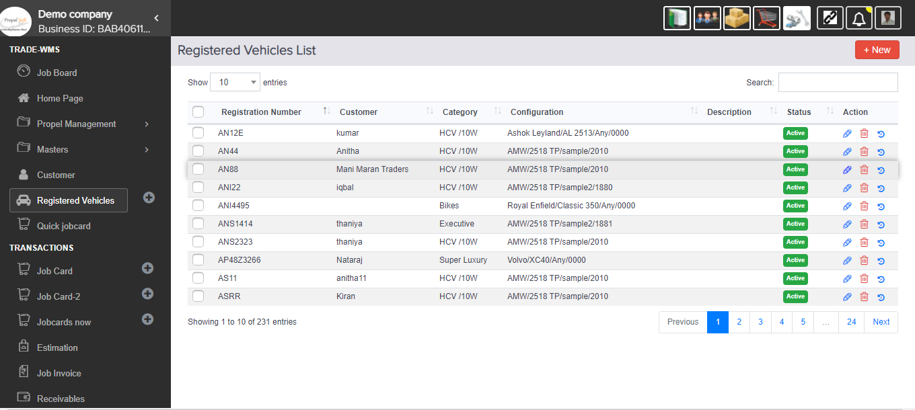
 |  | 1.Vechile History Work | CB | Status | QA2 | Status | Live | Status

$$√$$
$$√$$
−
−
 |  |  |  | Finished

before: |  |  |  |  | After:
 | here this icons is not here |  |  |  |  | add the icon and show vechile based jobcard and their item(already done in jobcared edit screen)

Account Work
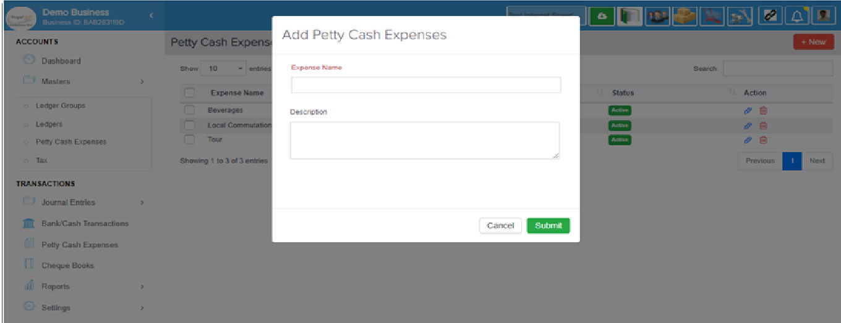
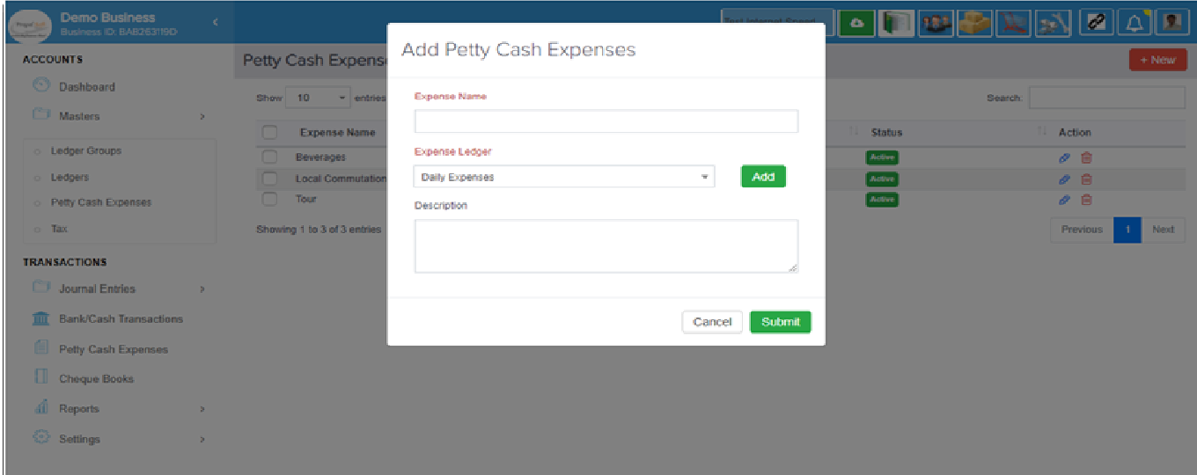
$$√$$
 |  |  | CB | Status | QA2 | Status |  | Live | Status
 |  | 2.Expense Work |  | Finished |  | bug for storing pettycash |  |  | Finished

 |  |  |  |  |  | After
before: |  |  |  |  |  |  | add new feature of pettycash expense in expense Ledgers
 | the pettycash expense are store default "Daily Expense" ledger |  |  |  |  |  | and new coulmn add in "expense" table in "ledger_id" and
 |  |  |  |  |  |  | "account_transactions.debit_ledger"_id has been changed
 |  |  |  |  |  |  | that particular id stored in table

Stock Flow Report
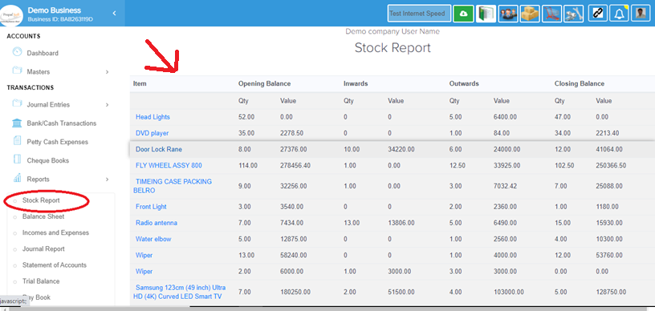
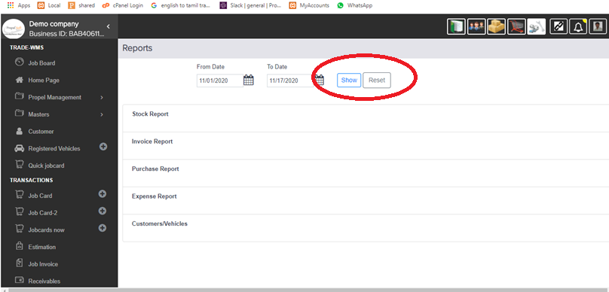
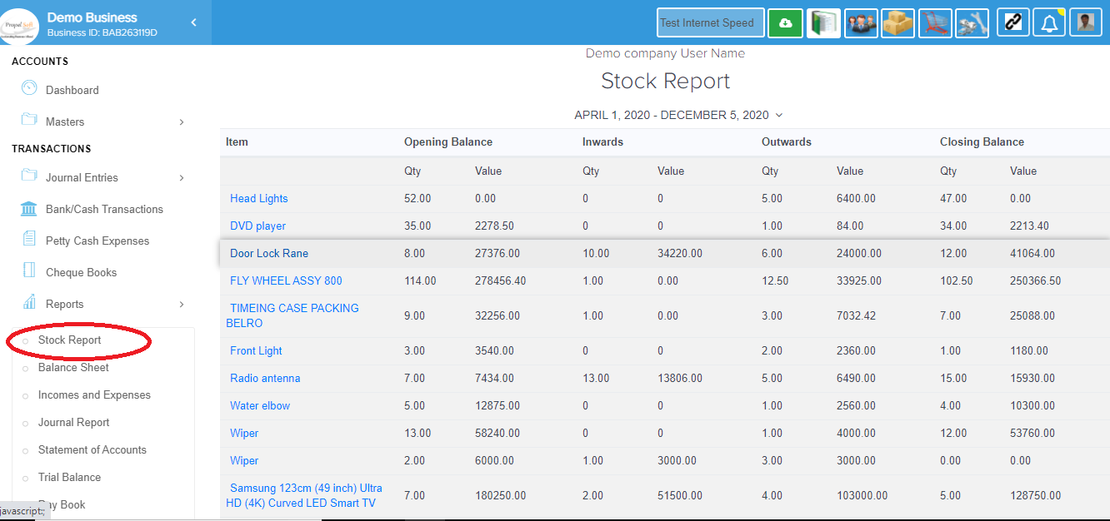
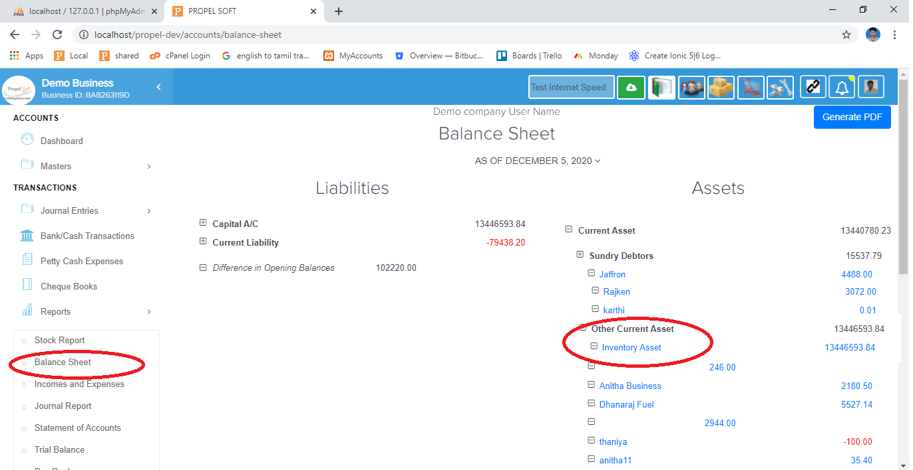
 |  |  | CB | Status |  | QA2 | Status | Live | Status

$$√$$
$$√$$
$$√$$
 |  | 3.Stock Flow Report |  | bug(Accounts |  |  | (no bug |  | (no bug
 |  |  |  | /ReportsController) |  |  | just date |  | just date
 |  |  |  | Syntax Error |  |  | empty report screen) |  | empty report screen)
before:
 | the result are "inventory_item_stocks.data" from json coulmn |  |  | After:
 | and the stock flow reports result are showing default current financial year |  |  |  | after "inventory_item_stocks.data" instead of inventory_item_stock_ledger table
 |  |  |  |  | the result this financial year into changed particular date.

 |  |  |  |  | the stock flow report query affecting three places

